Sheet1
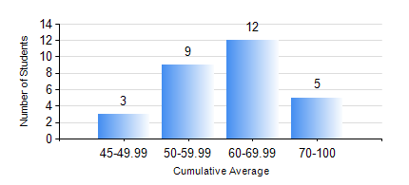
 |  |  | KWAME NKRUMAH UNIVERSITY OF SCIENCE AND TECHNOLOGY, KUMASI Department of Mechanical Engineering

 |  |  | BSC. AEROSPACE ENG., General Option

 |  |  | COMPREHENSIVE RECORD OF EXAMINATION RESULTS

 |  |  | RESULTS OF YEAR 3 SECOND SEMESTER, 2018/2019 ACADEMIC YEAR

 | Sn | Course Code |  | Course Name | Credit Hours | Min. Mark | Max. Mark | Avg. Mark | Std. Dev. | No. Passed | No. Trailed | No. (Df) | No. (I) | No. (I*) | No. Tagged(I,I*,Df) | Total
 | 0. |  |  |  |  |  |  | 0 | 0 | 0 | 0 | 0 | 0 | 0 | 0 | 1
 | 1. | AERO 362 |  | AIR VEHICLE STABILITY AND CONTROL | 3 | 46 | 76 | 62 | 8.06 | 28 | 0 | 0 | 0 | 0 | 0 | 28
 | 2. | AERO 368 |  | PROPULSION | 3 | 42 | 81 | 63 | 11.2 | 28 | 0 | 0 | 0 | 0 | 0 | 28
 | 3. | AERO 374 |  | AIRCRAFT PERFORMANCE AND DESIGN | 3 | 40 | 81 | 65 | 10.44 | 28 | 0 | 0 | 0 | 0 | 0 | 28
 | 4. | AERO 396 |  | AEROSPACE ENGINEERING LAB II | 1 | 50 | 89 | 75 | 10.19 | 28 | 0 | 0 | 0 | 0 | 0 | 28
 | 5. | ME 362 |  | VIBRATIONS II | 3 | 27 | 84 | 55 | 14.58 | 25 | 3 | 0 | 0 | 0 | 0 | 28
 | 6. | ME 366 |  | HEAT TRANSFER | 3 | 41 | 86 | 64 | 13.19 | 28 | 0 | 0 | 0 | 0 | 0 | 28
 | 7. | ME 392 |  | INDUSTRIAL ENGINEERING AND ERGONOMICS | 2 | 26 | 60 | 43 | 8.18 | 24 | 4 | 0 | 0 | 0 | 0 | 28

